Indices

 | Iraq Stock Exchange
 | Bulletin No (44)
 | ISX Trading Indices of Sunday 8/3/2026

 | Traded Volume and OTC |  | 612,297,340 |  | Traded Value and OTC |  | 1,128,311,888 |  | Traders | 1004

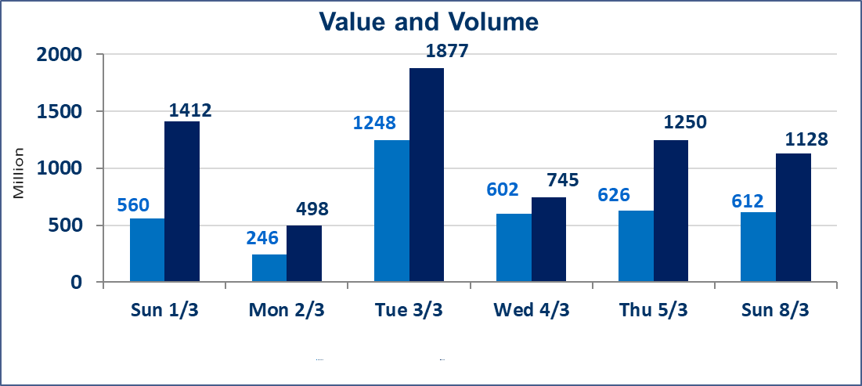
 | ISX Index 60 |  |  | 954.44 | ISX Index 15 |  |  | 1209.56
 | Previous ISX Index60 |  |  | 952.71 | Previous ISX Index15 |  |  | 1217.27
 | Change % |  |  | 0.18 | Change % |  |  | -0.63
 | Change |  |  | 1.73 | Change |  |  | -7.71

 | Listed Companies | 104 | OTC | 14 | Non Traded listed | 48 | OTC | 13
 | Traded Listed Companies | 45 | OTC | 1 | Higher Companies |  |  | 15
 | GAM Companies |  |  | 1 | Lower Companies |  |  | 8
 | Suspended Companies |  |  | 10
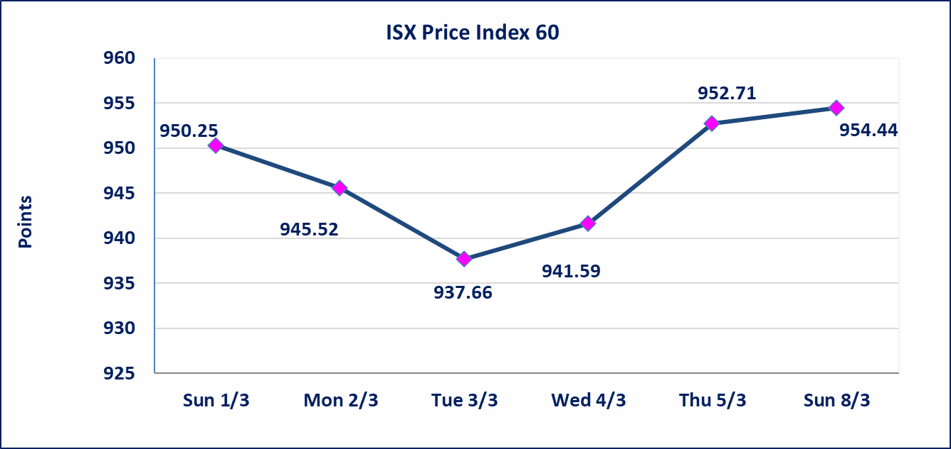
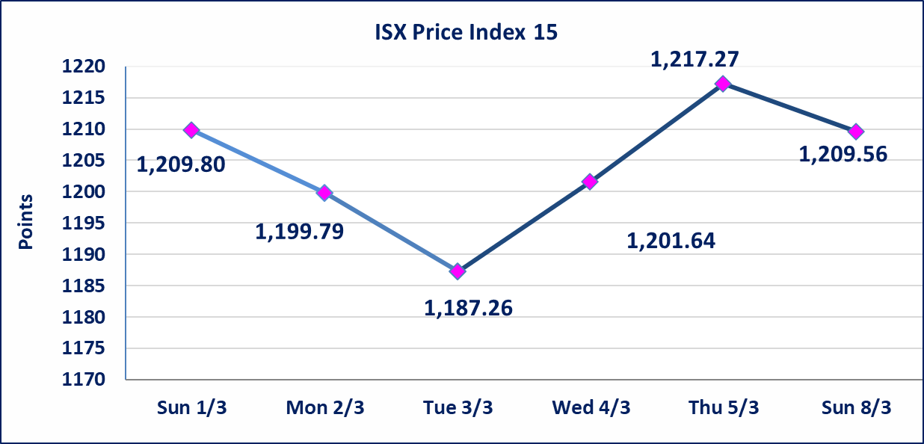

Al-Alwiya P.O . 3607 Mobile: 07711211522 - 07270094594 - 07834000034 E-mail: info-isx@isx-iq.net Web site:www.isx-iq.net

Top 5
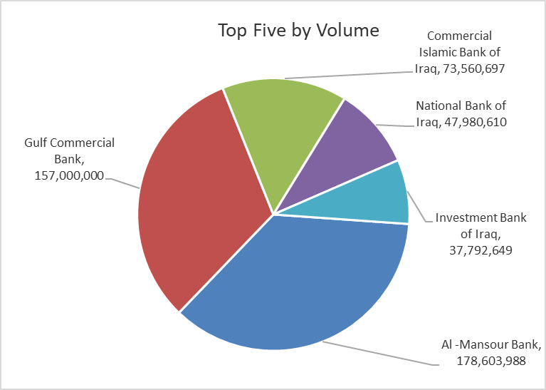
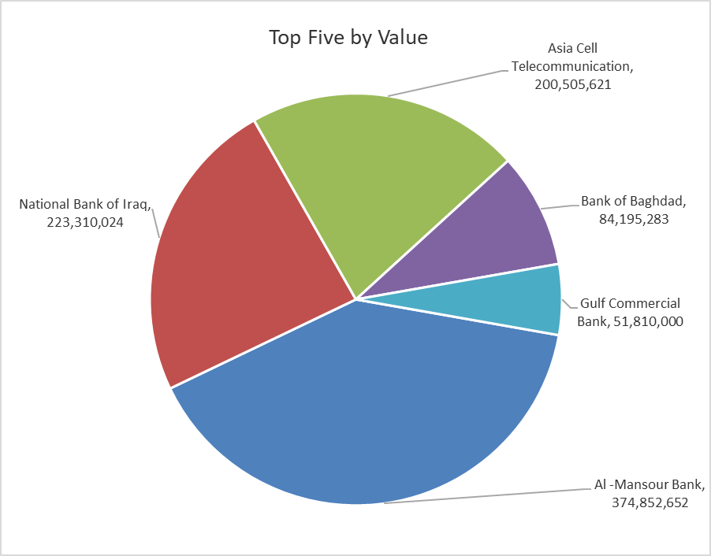

ISX top ganing and losing companies
Sunday 8/3/2026
 | Gainers |  |  |  | Losers
 | Company Name | Closing Price | Change (%) | Traded Volume | Company Name | Closing Price | Change (%) | Traded Volume
 | Mansour Hotel | 47.770 | 4.99 | 53,419 | Al-Ahlyia agricultural production | 2.640 | -4.69 | 63,971
 | Al-Hamraa for Insurance | 3.630 | 4.91 | 25,000 | National Bank of Iraq | 4.600 | -4.17 | 47,980,610
 | Modern Construction Materials | 1.090 | 4.81 | 525,000 | Commercial Islamic Bank of Iraq | 0.640 | -1.54 | 73,560,697
 | Iraqi Carton Manufactories | 2.710 | 4.63 | 1,413,330 | Palestine Hotel | 18.800 | -1.05 | 1,796,156
 | Al-Ameen for Insurance | 0.940 | 4.44 | 2,923,623 | Al-Mansour Pharmaceuticals Industries | 2.060 | -0.48 | 10,193,356
 | The most active companies in term of traded volume and value

 | Traded Volume |  |  |  | Traded Value
 | Company Name | Closing Price | Change (%) | Traded Volume | Company Name | Closing Price | Change (%) | Traded Value
 | Al -Mansour Bank | 2.100 | 0.00 | 178,603,988 | Al -Mansour Bank | 2.100 | 0.00 | 374,852,652
 | Gulf Commercial Bank | 0.330 | 3.13 | 157,000,000 | National Bank of Iraq | 4.600 | -4.17 | 223,310,024
 | Commercial Islamic Bank of Iraq | 0.640 | -1.54 | 73,560,697 | Asia Cell Telecommunication | 14.640 | -0.27 | 200,505,621
 | National Bank of Iraq | 4.600 | -4.17 | 47,980,610 | Bank of Baghdad | 3.060 | 0.00 | 84,195,283
 | Investment Bank of Iraq | 0.220 | 0.00 | 37,792,649 | Gulf Commercial Bank | 0.330 | 3.13 | 51,810,000

Non Iraqi

 | Iraq Stock Exchange
 | Non Iraqis' Bulletin Sunday March 8 2026
 | Regular Market

 | Non Iraqi Trading of Regular Market (Buy)
 | Company Names | Code | No.of trades | Traded Shares | Trading Volume
 | Banks Sector
 | National Bank Of Iraq | BNOI | 1 | 21,240 | 99,403
 | Sumer Commerical Bank | BSUC | 1 | 1,000,000 | 140,000
 | Al-Mansour Bank | BMNS | 3 | 700,000 | 1,470,000
 | Total Bank sector |  | 5 | 1,721,240 | 1,709,403
 | Grand Total |  | 5 | 1,721,240 | 1,709,403

 | Non Iraqi Trading of Regular Market (Sell)
 | Company Names | Code | No.of trades | Traded Shares | Trading Volume
 | Banks Sector
 | Bank Of Baghdad | BBOB | 5 | 3,109,299 | 9,545,548
 | Al-Mansour Bank | BMNS | 4 | 12,793,674 | 26,838,779
 | Total Bank sector |  | 9 | 15,902,973 | 36,384,327
 | Telecommunication Sector
 | Asia cell | TASC | 6 | 1,019,734 | 14,990,090
 | Total Telecommunication sector |  | 6 | 1,019,734 | 14,990,090
 | Grand Total |  | 15 | 16,922,707 | 51,374,416

 | Non Iraqi Trading of Second Market (BUY)
 | Company Names | Code | No. of trades | Traded Volume | Traded Value
Banks Sector
 | Credit Bank Of Iraq | BROI | 1 | 1,000,000 | 600,000
 | Total Bank sector |  | 1 | 1,000,000 | 600,000
 | Grand Total |  | 1 | 1,000,000 | 600,000

Not Trading Bonds

Iraq Stock Exchange
Sunday 8/3/2026
Not Trading Bonds Bulletin
Bond type | Publish type | Code | last trading price | immortilize date
Banaa Bonds /Million ID | Second | CB20 | 964,981 | 19/12/2025
Eamar Bonds /Million ID | First | CB30 | 1,001,095 | ــــــــــــــــ
Eamar Bonds /Million ID | Second | CB40 | ــــــــــــــــ | ــــــــــــــــ
Eamar Bonds /500 Thousand ID | Third | CB45 | ــــــــــــــــ | ــــــــــــــــ
Eamar Bonds /Million ID | Third | CB50 | ــــــــــــــــ | ــــــــــــــــ
Injaz Bonds /500 Thousand ID | First | CB55 | ــــــــــــــــ | ــــــــــــــــ
Injaz Bonds /Million ID | First | CB60 | ــــــــــــــــ | ــــــــــــــــ
Injaz Bonds /500 Thousand ID | Second | CB65 | 503,793 | ــــــــــــــــ
Injaz Bonds /Million ID | Second | CB70 | 1,026,082 | ــــــــــــــــ
Injaz Bonds /500 Thousand ID | Third | CB75 | ــــــــــــــــ | ــــــــــــــــ
Injaz Bonds /Million ID | Third | CB80 | 978,182 | ــــــــــــــــ
National Bonds/Million ID | First | CB90 | ــــــــــــــــ | ــــــــــــــــ
National Bonds/500 Thousand ID | Second | CB95 | ــــــــــــــــ | ــــــــــــــــ
National Bonds/Million ID | Second | CB100 | ــــــــــــــــ | ــــــــــــــــ

